Q.NO 1 Bonus Database 1
Employee | No Customers | Bonus | Bonus amount | Row Labels | Sum of No Customers
Emily Smith | 15 | 50 | 750 | Dan Jonesman | 23
Dan Jonesman | 23 | 75 | 1725 | Dawn Taylor | 51
Fred Brown | 41 | 125 | 5125 | Dora McTavish | 18
Dora McTavish | 18 | 50 | 900 | Emily Smith | 15
Patrick O'Leary | 7 | 25 | 175 | Fred Brown | 41
Dawn Taylor | 51 | 150 | 7650 | Ian Frankley | 19
Penny Joyce | 22 | 75 | 1650 | Jeff O'Brien | 37
Ian Frankley | 19 | 50 | 950 | Patrick O'Leary | 7
Jeff O'Brien | 37 | 100 | 3700 | Penny Joyce | 22
William Jones | 34 | 100 | 3400 | William Jones | 34
 |  |  |  | Grand Total | 267
Row Labels | Sum of Bonus amount
Dan Jonesman | 1725
Dawn Taylor | 7650
Dora McTavish | 900
Emily Smith | 750
Fred Brown | 5125
Ian Frankley | 950
Jeff O'Brien | 3700
Patrick O'Leary | 175
Penny Joyce | 1650
William Jones | 3400
Grand Total | 26025

Bonus DASHBOARD
Quick summary
Total Employee
Total customers by 10 Employee
Highest No. Of Customersby Employee
Lowest Bonus Increment by Employee
Lowest No. Of Customers by
Highest Bonus Increment Amount By employee
Avg. Bonus Increment Amount per employee

10
267
Down Taylor
51
Patrick O' Leary
Down Taylor
7
7650
Patrick O' Leary
175
2600.2

Dan Jonesman
Down Taylor
Dora Mc Tavish
Emily Smith
Fred Brown
Ian Frankley
Jeff O' Brien
Patrick O' Leary
Penny Joyce
William Jones

Total Customers by Employee
 | Total
Dan Jonesman | 23
Dawn Taylor | 51
Dora McTavish | 18
Emily Smith | 15
Fred Brown | 41
Ian Frankley | 19
Jeff O'Brien | 37
Patrick O'Leary | 7
Penny Joyce | 22
William Jones | 34
Employee Bonus By per Customers
 | No Customers | Bonus
Emily Smith | 15 | 50
Dan Jonesman | 23 | 75
Fred Brown | 41 | 125
Dora McTavish | 18 | 50
Patrick O'Leary | 7 | 25
Dawn Taylor | 51 | 150
Penny Joyce | 22 | 75
Ian Frankley | 19 | 50
Jeff O'Brien | 37 | 100
William Jones | 34 | 100
Total Bonus Amount By Each Employee
 | Total
Dan Jonesman | 1725
Dawn Taylor | 7650
Dora McTavish | 900
Emily Smith | 750
Fred Brown | 5125
Ian Frankley | 950
Jeff O'Brien | 3700
Patrick O'Leary | 175
Penny Joyce | 1650
William Jones | 3400

Q.NO 2 Instructions
To create a Weight, Target Weight and BMI Tracker Dashboard Chart, go to the Weight Detail worksheet.

Fill in all the red text shown below:
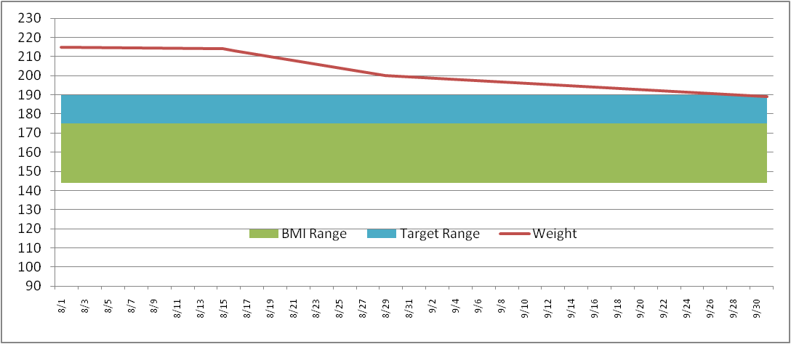
Enter in your NEAREST height in Inches (minimum 58 inches)
Height (inches) | 70

Then enter your target weight range minimum and maximum
Target Weight
Min | 175
Max | 185

Then fill in your last and most current weigh in dates and weight
Date | Weight | BMI Low | BMI Range | Target Low | Target Range
2011-09-01 | 215 | 136 | 36 | 175 | 10
2011-09-02 | 214

This will then build your chart ==================================>
* Current weight line (Red line)
* Target weight range (Blue band)
* Normal BMI weight range (Green band)
The Chart is dynamic and will keep expanding for every date/weight you enter

2. Weight Details
Date | Weight | BMI Low | BMI Range | Target Low | Target Range |  | >= 58 Inches
2023-10-10 | 200 | 136 | 36 | 150 | 10 | Height (inches) | 71
2023-10-12 | 195 | 136 | 36 | 150 | 10 | Target Weight | 5 ft 11 in | Normal BMI Range
 | BMI Range | Target Range | Weight
10-10-2023 | 36 | 10 | 200
12-10-2023 | 36 | 10 | 195
14-10-2023 | 36 | 10 | 190
16-10-2023 | 36 | 10 | 185
18-10-2023 | 36 | 10 | 180
20-10-2023 | 36 | 10 | 175
22-10-2023 | 36 | 10 | 170
24-10-2023 | 36 | 10 | 165
26-10-2023 | 36 | 10 | 160
28-10-2023 | 36 | 10 | 155
30-10-2023 | 36 | 10 | 150
2023-10-14 | 190 | 136 | 36 | 150 | 10 | Min | 150 | Min | 136
2023-10-16 | 185 | 136 | 36 | 150 | 10 | Max | 160 | Max | 172
2023-10-18 | 180 | 136 | 36 | 150 | 10
2023-10-20 | 175 | 136 | 36 | 150 | 10 | Current Weight | 150 | Current Weight | 150
2023-10-22 | 170 | 136 | 36 | 150 | 10 | Starting Weight | 200 | Previous Weight | 155
2023-10-24 | 165 | 136 | 36 | 150 | 10 | Weight Loss | -50 | Weight Loss | -5
2023-10-26 | 160 | 136 | 36 | 150 | 10
2023-10-28 | 155 | 136 | 36 | 150 | 10
2023-10-30 | 150 | 136 | 36 | 150 | 10

SALES DATASET 1.2
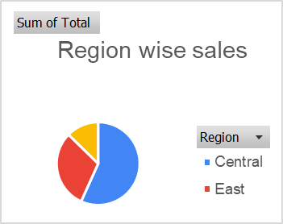
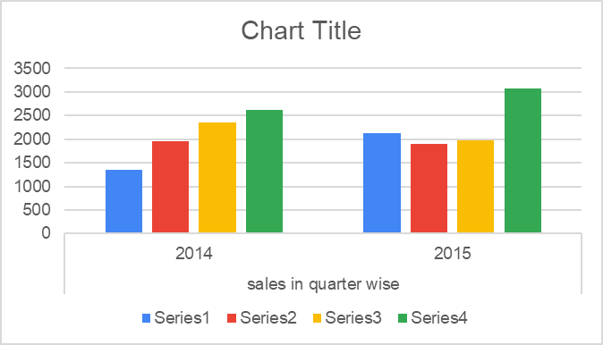
Row Labels | Sum of Total | sales in quarter wise
Central | 11139.07 | 2014 | 2015
East | 6002.09 | 1356 | 2128
West | 2486.72 | 1950 | 1892
Grand Total | 19627.88 | 2357 | 1982
 |  | 2624 | 3073

 |  |  |  | Column1

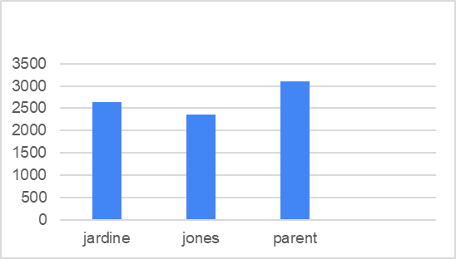

Top 3 representative by sales
jardine | 2633
jones | 2363
parent | 3102

SALES DATASET 1.3
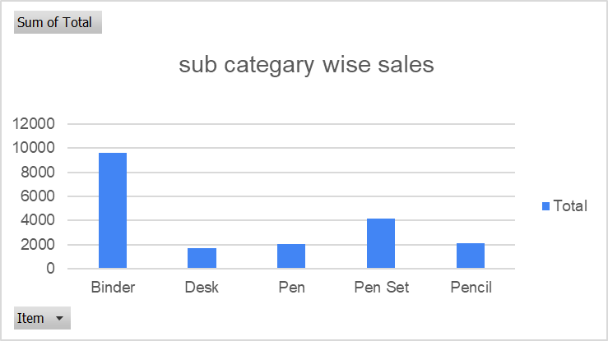
Row Labels | Sum of Total | sales in quarter wise
Binder | 9577.65 | 2014 | 2015
Desk | 1700 | 1356 | 2128
Pen | 2045.22 | 1950 | 1892
Pen Set | 4169.87 | 2357 | 1982
Pencil | 2135.14 | 2624 | 3073
Grand Total | 19627.88

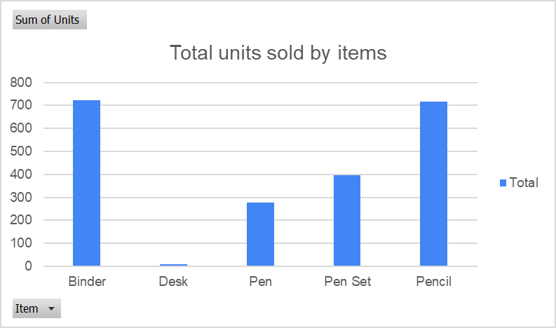
Row Labels | Sum of Units
Binder | 722
Desk | 10
Pen | 278
Pen Set | 395
Pencil | 716
Grand Total | 2121

SALES DATASET 1.4
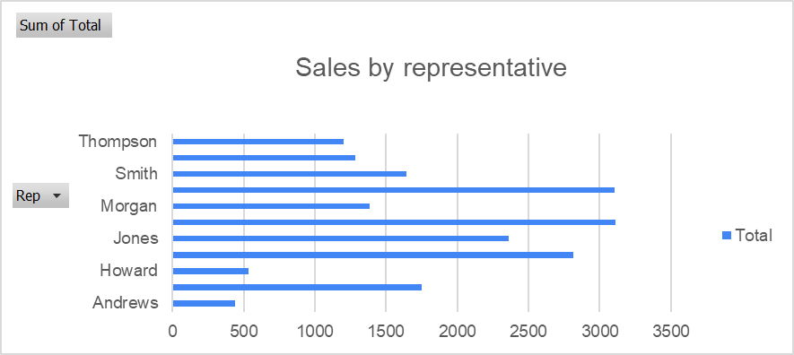
Row Labels | Sum of Total
Andrews | 438.37
Gill | 1749.87
Howard | 536.75
Jardine | 2812.19
Jones | 2363.04
Kivell | 3109.44
Morgan | 1387.77
Parent | 3102.3
Smith | 1641.43
Sorvino | 1283.61
Thompson | 1203.11
Grand Total | 19627.88

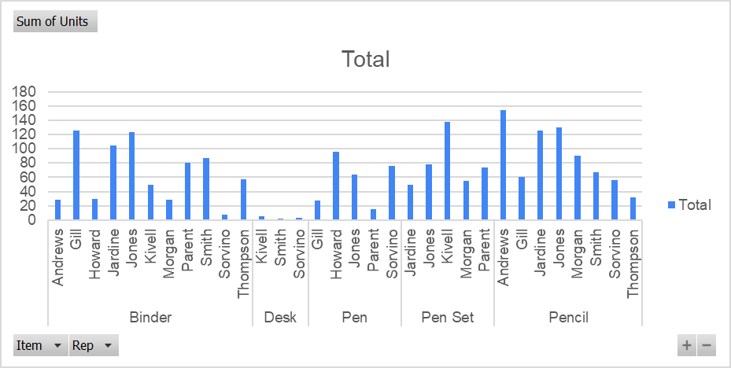
Row Labels | Sum of Units
Binder | 722
Andrews | 28
Gill | 126
Howard | 29
Jardine | 105
Jones | 124
Kivell | 50
Morgan | 28
Parent | 81
Smith | 87
Sorvino | 7
Thompson | 57
Desk | 10
Kivell | 5
Smith | 2
Sorvino | 3
Pen | 278
Gill | 27 | Row Labels | Sum of Unit Cost | Sum of Units
Howard | 96 | Binder | 172.86 | 722
Jones | 64 | Desk | 525 | 10
Parent | 15 | Pen | 55.95 | 278
Sorvino | 76 | Pen Set | 83.39 | 395
Pen Set | 395 | Pencil | 36.07 | 716
Jardine | 50 | Grand Total | 873.27 | 2121
Jones | 78
Kivell | 138
Morgan | 55
Parent | 74
Pencil | 716
Andrews | 155
Gill | 60
Jardine | 126
Jones | 130
Morgan | 90
Smith | 67
Sorvino | 56
Thompson | 32
Grand Total | 2121

Sales Dashboard
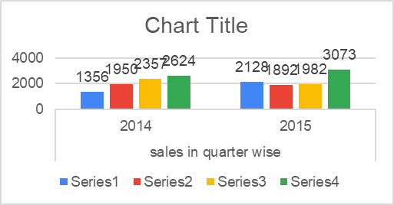
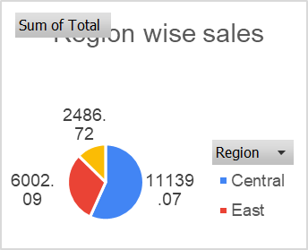
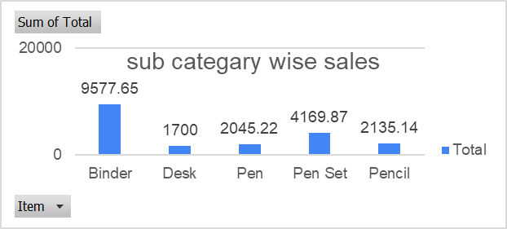
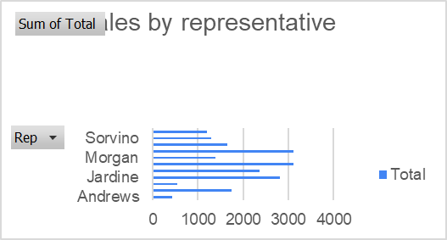
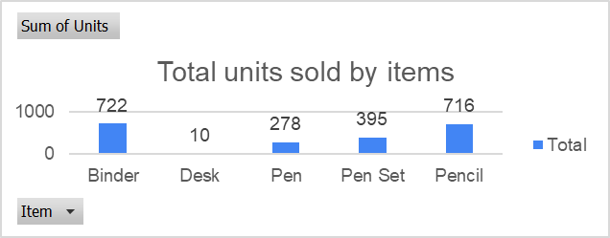
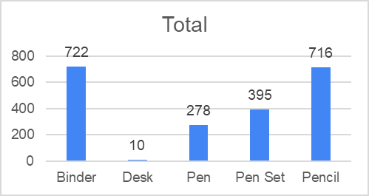
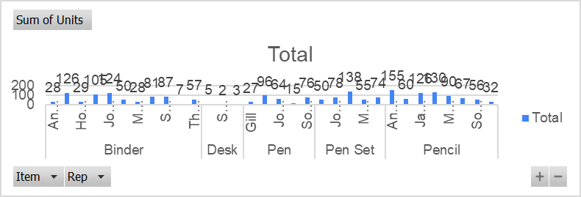
Total sales 17,362
Highest sales by region central
Highest rep sales Jardine 1879
Total no. of unit sold 1880
Total no. of sub- categry 5
Highest no. of units sold by sab- categry item = Binder ( 666)

COVID DATASET 1.2
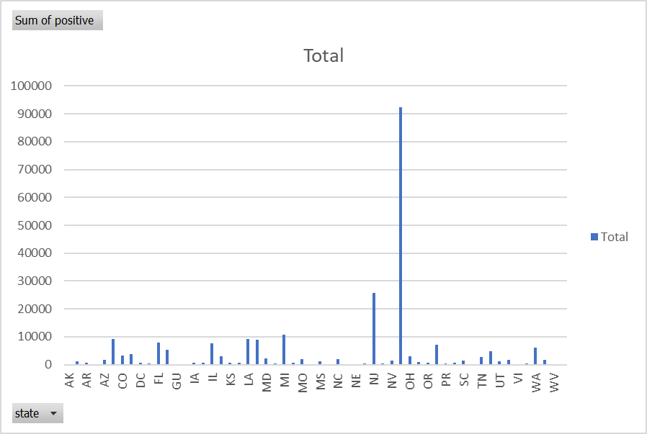
Row Labels | Sum of positive
AK | 143
AL | 1233
AR | 643
AS | 0
AZ | 1598
CA | 9191
CO | 3342
CT | 3824
DC | 653
DE | 393
FL | 8010
GA | 5348
GU | 82
HI | 258
IA | 614
ID | 669
IL | 7695
IN | 3039
KS | 552
KY | 680
LA | 9150
MA | 8966
MD | 2331
ME | 376
MI | 10791
MN | 742
MO | 1834
MP | 8
MS | 1177
MT | 227
NC | 1857
ND | 159
NE | 246
NH | 415
NJ | 25590
NM | 363
NV | 1458
NY | 92381
OH | 2902
OK | 879
OR | 736
PA | 7016
PR | 316
RI | 657
SC | 1554
SD | 165
TN | 2845
TX | 4669
UT | 1074
VA | 1706
VI | 33
VT | 338
WA | 5984
WI | 1730
WV | 217
WY | 150
Grand Total | 239009

COVID DATASET 1.3
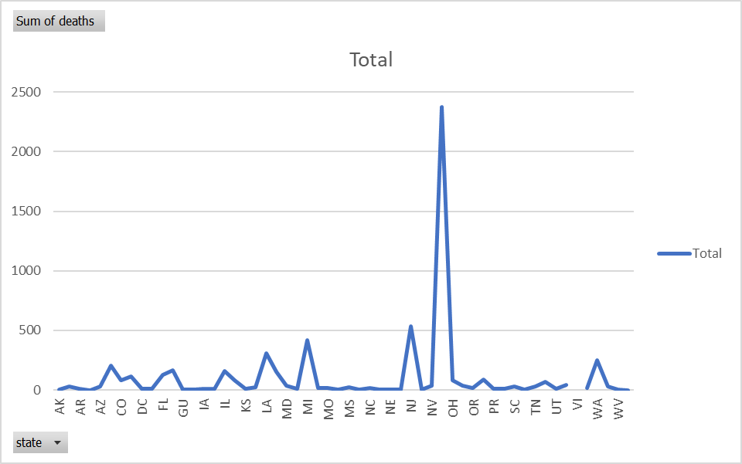
Row Labels | Sum of deaths
AK | 3
AL | 32
AR | 12
AS | 0
AZ | 32
CA | 203
CO | 80
CT | 112
DC | 12
DE | 12
FL | 128
GA | 163
GU | 3
HI | 1
IA | 11
ID | 9
IL | 157
IN | 78
KS | 13
KY | 20
LA | 310
MA | 154
MD | 36
ME | 7
MI | 417
MN | 18
MO | 19
MP | 1
MS | 26
MT | 5
NC | 16
ND | 3
NE | 5
NH | 4
NJ | 537
NM | 6
NV | 38
NY | 2373
OH | 81
OK | 34
OR | 19
PA | 90
PR | 12
RI | 12
SC | 31
SD | 2
TN | 32
TX | 70
UT | 7
VA | 41
VI
VT | 17
WA | 247
WI | 31
WV | 2
WY | 0
Grand Total | 5784

COVID DATASET 1.4
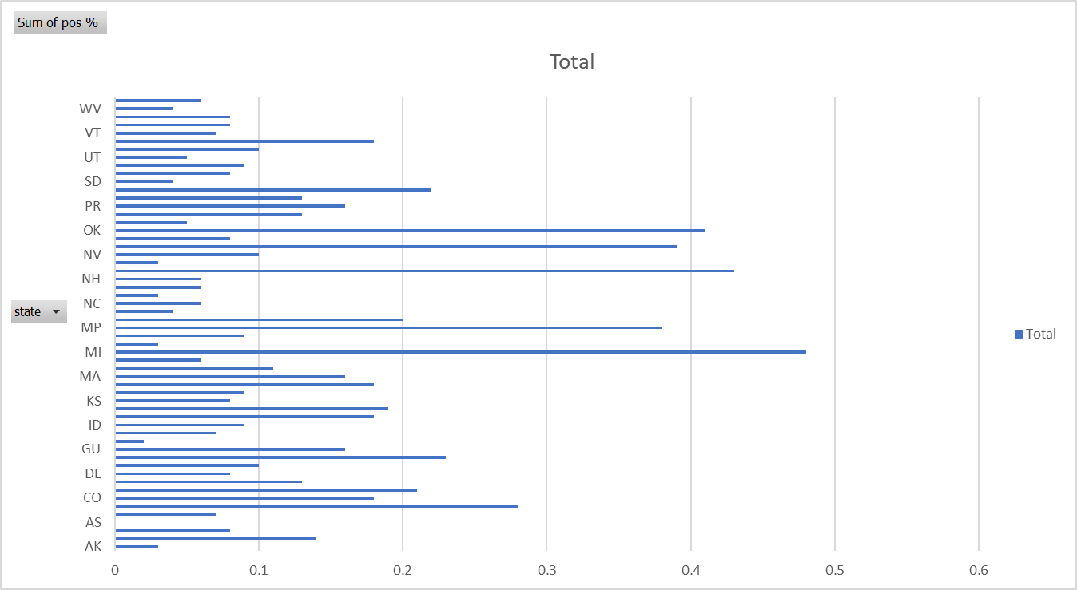
Row Labels | Sum of pos %
AK | 0.03
AL | 0.14
AR | 0.08
AS | 0
AZ | 0.07
CA | 0.28
CO | 0.18
CT | 0.21
DC | 0.13
DE | 0.08
FL | 0.1
GA | 0.23
GU | 0.16
HI | 0.02
IA | 0.07
ID | 0.09
IL | 0.18
IN | 0.19
KS | 0.08
KY | 0.09
LA | 0.18
MA | 0.16
MD | 0.11
ME | 0.06
MI | 0.48
MN | 0.03
MO | 0.09
MP | 0.38
MS | 0.2
MT | 0.04
NC | 0.06
ND | 0.03
NE | 0.06
NH | 0.06
NJ | 0.43
NM | 0.03
NV | 0.1
NY | 0.39
OH | 0.08
OK | 0.41
OR | 0.05
PA | 0.13
PR | 0.16
RI | 0.13
SC | 0.22
SD | 0.04
TN | 0.08
TX | 0.09
UT | 0.05
VA | 0.1
VI | 0.18
VT | 0.07
WA | 0.08
WI | 0.08
WV | 0.04
WY | 0.06
Grand Total | 7.35

COVID DATASET 1.5
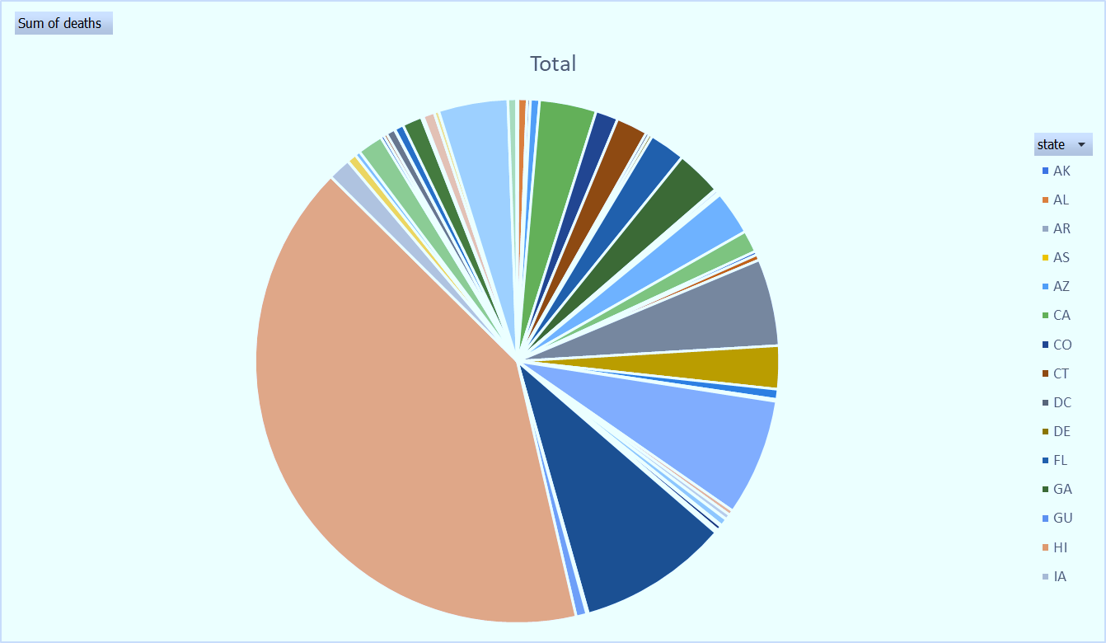
Row Labels | Sum of deaths
AK | 3
AL | 32
AR | 12
AS | 0
AZ | 32
CA | 203
CO | 80
CT | 112
DC | 12
DE | 12
FL | 128
GA | 163
GU | 3
HI | 1
IA | 11
ID | 9
IL | 157
IN | 78
KS | 13
KY | 20
LA | 310
MA | 154
MD | 36
ME | 7
MI | 417
MN | 18
MO | 19
MP | 1
MS | 26
MT | 5
NC | 16
ND | 3
NE | 5
NH | 4
NJ | 537
NM | 6
NV | 38
NY | 2373
OH | 81
OK | 34
OR | 19
PA | 90
PR | 12
RI | 12
SC | 31
SD | 2
TN | 32
TX | 70
UT | 7
VA | 41
VI
VT | 17
WA | 247
WI | 31
WV | 2
WY | 0
Grand Total | 5784

COVID DATASET 1,6
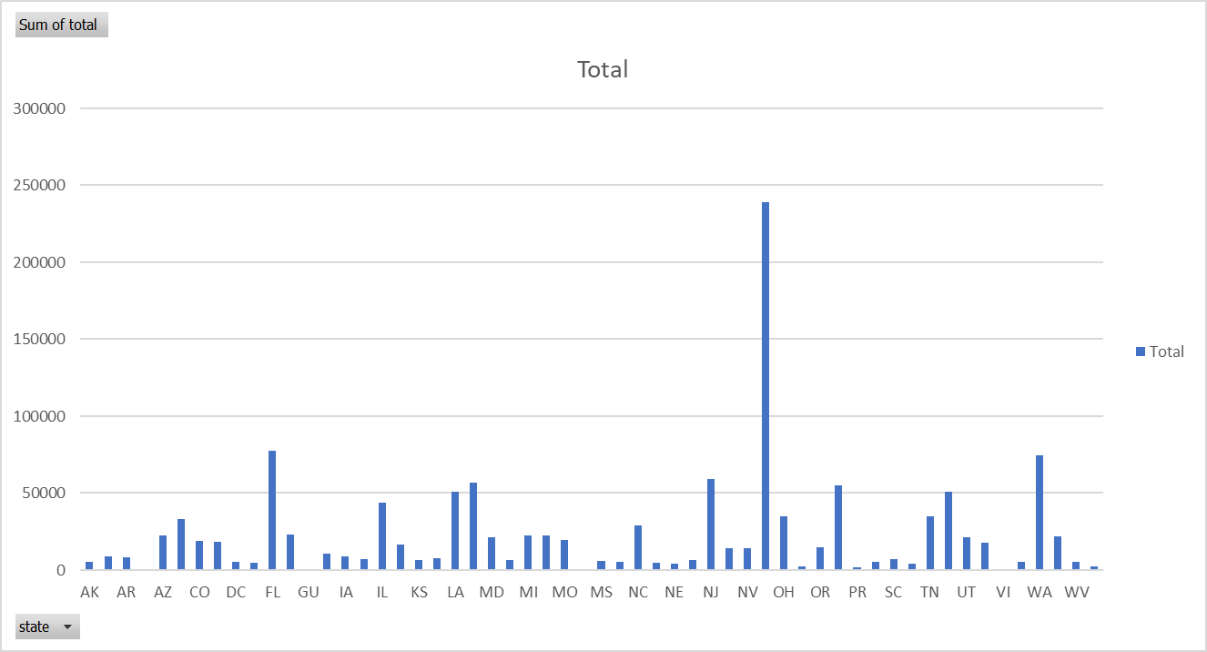
Row Labels | Sum of total
AK | 5022
AL | 8736
AR | 8523
AS | 20
AZ | 22709
CA | 33000
CO | 18645
CT | 18300
DC | 5070
DE | 4959
FL | 77296
GA | 22957
GU | 524
HI | 10464
IA | 8668
ID | 7282
IL | 43656
IN | 16285
KS | 6611
KY | 7900
LA | 51086
MA | 56608
MD | 21221
ME | 6464
MI | 22684
MN | 22394
MO | 19683
MP | 21
MS | 5930
MT | 5320
NC | 28679
ND | 4980
NE | 4224
NH | 6493
NJ | 59110
NM | 14011
NV | 14046
NY | 238965
OH | 34918
OK | 2144
OR | 14868
PA | 54714
PR | 1920
RI | 5069
SC | 6995
SD | 4382
TN | 34611
TX | 50679
UT | 21065
VA | 17589
VI | 182
VT | 5049
WA | 74798
WI | 22047
WV | 5493
WY | 2589
Grand Total | 1267658

